工作表1
no. | 國家 | n | 特徵 | 評估方法 | 主要討論 | 預後 | 預後(百分比相關) | 參考文獻 | title/link | 備註
1 | us | 4987 | 1 VS 0 (≥ 3frailty as frail vs not frail) | eGFRcr and eGFRcys categories (<30, 30–<45, 45–<60, 60–<75, 75–<90, and ≥90 ml/min/1.73m2 | Polypharmacy | Hyperpolypharmacy (taking ≥10 classes of medications) in frail VS not in frail individuals [%] 54% vs 38% | 341 (7%) participants as frail | Ballew, S. H.; Chen, Y.; Daya, N. R., et al. Frailty, Kidney Function, and Polypharmacy: The Atherosclerosis Risk in Communities (ARIC) Study, Am J Kidney Dis. 2017, 69, 228-236. | Frailty, Kidney Function, and Polypharmacy: The Atherosclerosis Risk in Communities (ARIC) Study.
 |  |  |  | Fried phenotype of frailty | Atherosclerosis |  | prevalences frail participants eGFRcr and eGFRcys <60 ml/min/1.73 m2 were 45% and 77%
 |  |  |  |  |  |  | Frailty showed a moderate association with eGFRcr and a strong association with eGFRcys and ACR
 |  |  |  |  |  |  | Among frail participants, prevalences of eGFRcr and eGFRcys <60 ml/min/1.73 m2 were 45% and 77%,
 |  |  |  |  |  |  | Hyperpolypharmacy (taking ≥10 classes of medications) was more common in frail individuals (54% VS 38% of non-frail), including classes requiring kidney clearance (e.g., digoxin) and associated with falls and subsequent complications (e.g., hypnotic/sedatives, anticoagulants)

2 | us | 1576 | 1 VS 0 (≥ 3frailty as frail vs not frail) | dialysis patients | Mortality | higher eGFR (per 5 mL/min/1.73 m) at dialysis Initiation VS lower eGFR [OR] with frailty 1.44 [95% CI, 1.23–1.68; P<.001) | Baseline Characteristics of Included Participants of the Comprehensive Dialysis Study Cohort (n = 1576) / Frail (n = 1155) / Not Frail (n = 421) Peripheral vascular disease / Cohort -226 (14.3) ，Frail -189 (16.4)， Not Frail-37 (8.8);p<.001 COPD / Cohort -120 (7.6) ，Frail -104 (9.0)， Not Frail-16 (3.8);p<.001 Diabetes mellitus / Cohort -820 (52.0)，Frail -650 (56.3)， Not Frail-170 (40.4);p<.001 Congestive heart failure / 474 (30.1)，Frail -381 (33.0)， Not Frail-93 (22.1);p<.001 CeGFR, mean (SD), mL/min/1.73 m2 / 10.0 (4.45)，Frail - 10.4 (4.52)， Not Frail-8.8 (4.04) <.001 | Bao, Y.; Dalrymple, L.; Chertow, G. M.; Kaysen, G. A.; Johansen, K. L. Frailty, dialysis initiation, and mortality in end-stage renal disease, Arch Intern Med. 2012, 172, 1071-1077. | Frailty, Dialysis Initiation, and Mortality in End-Stage Renal Disease | USRDS study.
 |  |  |  | 1 point -SF-12 PF < 75 1 point -for “very much” or “extremely bothered” by feeling washed out or drained during the past 4 weeks 1 point -hemodialysis total 3 point > 2 as frail | Initiation | frailty VS non-frailty with first hospitalization [HR]1.44 [95% CI, 1.26–1.66; P<.001)

3 | us | 336 | 1 VS 0 (≥ 3frailty as frail vs not frail) | non-dialysis-dependent stage 1–4 CKD patients with eGFR< 90ml/min/1.73m | Mortality | eGFRcys < 30 VS 30–44 ml VS ≥ 60 ml/min/1.73m2 (basline) [RR] associated with frailty ; 2.8 (95% CI, 1.3–6.3) and 2.1 (95% CI, 1.0–4.7)-fold greater prevalence | The prevalence of frailty (14.0%) was2x of the much older non-CKD reference population ; P<0.01 | Roshanravan, B., et al. (2012). "A prospective study of frailty in nephrology-referred patients with CKD." Am J Kidney Dis 60(6): 912-921. | A Prospective Study of Frailty in Nephrology-Referred Patients With CKD
 |  |  | eGFRcys categories of <30 VS 30–44 ml vs ≥60 ml | Fried phenotype of frailty | CKD VS Cardiovascular |  | Seattle Kidney Study (SKS) cohort were inactivity (35.1%), exhaustion (31.8%) and slowness (25.9%).

4 | US | 1111 | non-frail(0) VS pre-frail (1~2)vs ≥ frailty(3) | Fried phenotype of frailty | Physical Performance (SPPB) with frailty | eGFR 30 – 59 VS eGFR 15 – 29 VS eGFR <15 VS eGFR >60 ml/min/1.73m2 (basline)[OR] with worse frailty; 1.45, p=0.024; 2.02; p=0.002 ;4.83, p<0.001 | eGFR 30 – 59 (OR 1.45; p=0.024), eGFR 15 – 29 (OR 2.02; p=0.002) and eGFR <15 (OR 4.83, p<0.001) were associated with worse frailty status compared with eGFR >60 ml/min/1.73m2 (worse eGFR , more frailty) | Reese, P. P., et al. (2013). "Physical performance and frailty in chronic kidney disease." Am J Nephrol 38(4): 307-315. | Physical Performance and Frailty in Chronic Kidney Disease | good 有不少參考
 |  |  |  | SPPB |  |  | 7% of participants were frail and 43% were pre-frail.
 |  |  |  |  |  |  | Compared with the SPPB score for eGFR >60 ml/min/1.73m2, the SPPB was 0.51 points lower for eGFR 30 – 59; 0.61 points lower for eGFR 15 – 29; and 1.75 points lower for eGFR <15; (p<0.01 for all comparisons)
 |  |  |  |  |  |  | eGFR[OR] compared to eGFR >60 ml/min/1.73 m2 eGFR 30 – 59 (OR 1.45; CI 1.05, 1.99; p=0.024) eGFR 15 – 29 (OR 2.02; CI 1.29, 3.16; p=0.002) eGFR <15 (OR 4.83; CI 2.60, 8.98; p<0.001)
 |  |  |  |  |  |  | Ordinal logistic regression analysis OR for frailty Age ≥65 years (OR 1.85; CI 1.42, 2.41; p<0.001) Female ≥65 years (OR 1.61; CI 1.24, 2.09; p<0.001)
 |  |  |  |  |  |  | multivariable logistic regression for the outcome of frailty alone (vs. pre-frail and non-frail) eGFR categories of 30 – 59 (OR 1.49; CI 1.07, 2.06; p=0.018) eGFR 15 – 29 (OR 2.21; CI 1.36, 3.58; p=0.001) eGFR <15 (OR 5.55; CI 2.48, 12.4; p<0.001)
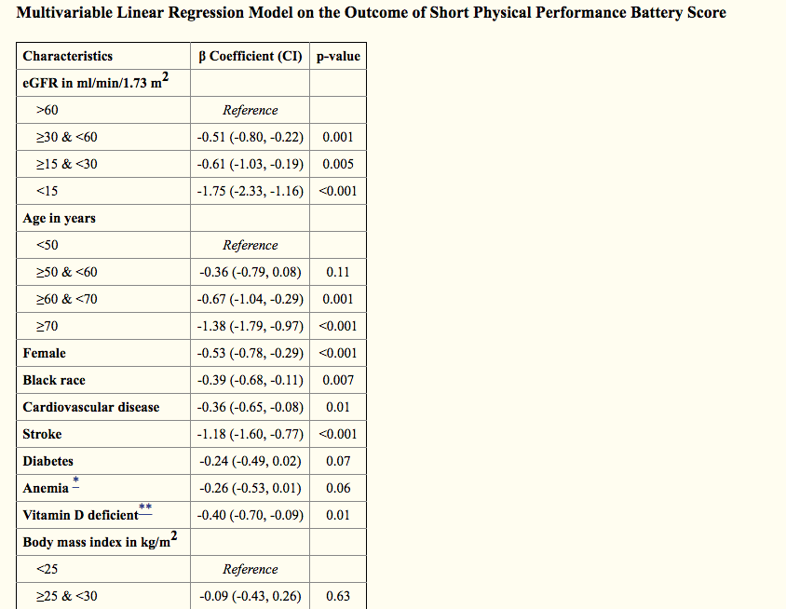
 |  |  |  |  |  |  | Age ≥65 years, female sex, black race, BMI >35 kg/m2, anemia, CVD and stroke were also associated with worse frailty status.
 |  |  |  |  |  |  | female sex, black race, CVD, elevated BMI and lower socioeconomic status were identified as independent risk factors for poor physical function and frailty
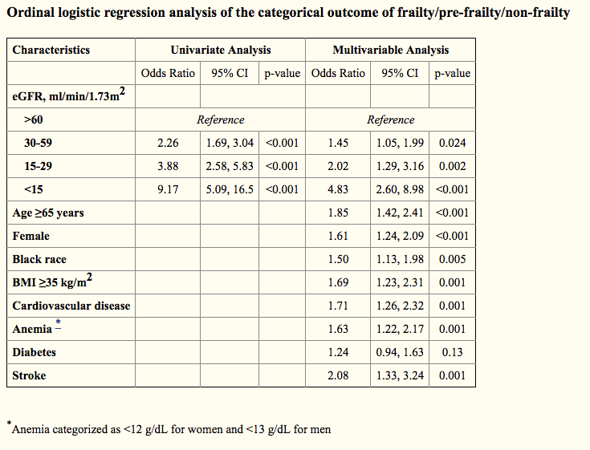
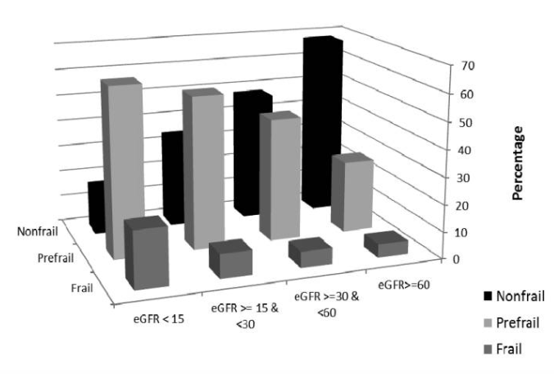

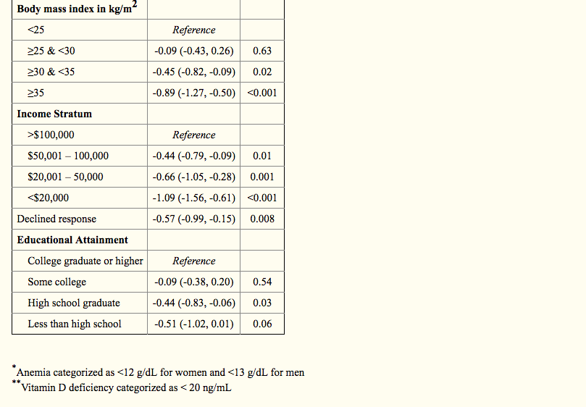

5 | US | 2275 | 1 VS 0 (≥ 3frailty as frail vs not frail) | Fried phenotype of frailty | hospitalization | frailty VS non-frailty with first hospitalization [HR]1.90 [95% CI, 1.67–2.16) | Predictors of frailty Dialysis Patients with [diabetes] to be fraill [OR ]1.35 (95% CI, 1.10 to 1.65) Dialysis Patients with [CAD] to be fraill [OR ]1.17 (95% CI, 0.92 to 1.48) Dialysis Patients with [PAOD] to be fraill [OR ]1.19 (95% CI, 0.88 to 1.60) Dialysis Patients with [CVA] to be fraill [OR ]1.55 (95% CI, 1.05 to 2.29) Dialysis Patients with [cancer] to be fraill [OR ]1.19 (95% CI, 0.95 to 2.04) | Johansen, K. L., et al. (2007). "Significance of frailty among dialysis patients." J Am Soc Nephrol 18(11): 2960-2967. | Significance of frailty among dialysis patients.
 |  |  |  |  | Mortality
 |  |  |  |  |  |  | roportion of patients overall and by age meeting individual and collective criteria for frailty (below table)
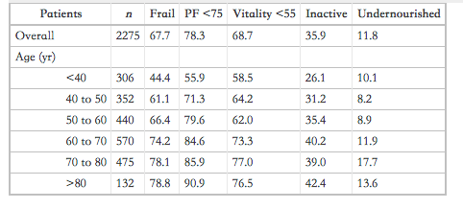

 |  |  |  |  |  |  | Multivariable analyses of the association of the components of frailty with outcomes individually (model 1) and in a combined model (model 2)a (below table)
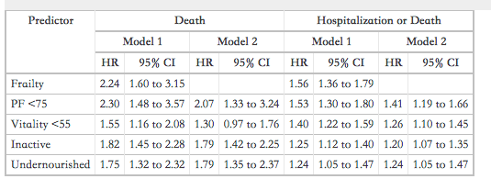

 |  |  |  |  |  |  | a Each model is adjusted for the following variables: Age, gender, race, BMI, serum albumin, dialysis modality, comorbidities, employment status, marital status, and smoking. For each outcome, model 1 includes only individual components of frailty, and model 2 includes all of the components of frailty in the same adjusted model.

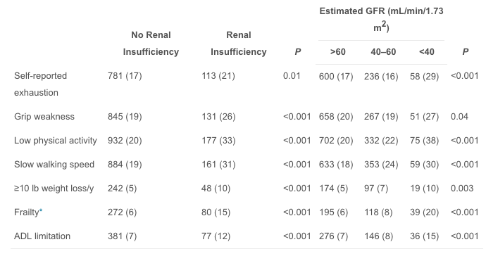
6 | US | 5888 | 1 VS 0 (≥ 3frailty as frail vs not frail) | creatinine≥115 μmol/L for woman serum serum creatinine≥133 μmol/L for man | prevalence | frailty VS non- frail [OR] with frailty 1.76; 95% CI, 1.28 to 2.41 | Association of Renal Function With Characteristics of Frailty and Disability (below table) | Shlipak, M. G., et al. (2004). "The presence of frailty in elderly persons with chronic renal insufficiency." Am J Kidney Dis 43(5): 861-867. | The presence of frailty in elderly persons with chronic renal insufficiency
 |  |  |  |  | ADL | frailty of renal insufficiency (CRI ) VS normal [Prevalences] 15% VS 6%
 |  |  |  |  |  | ADL of renal insufficiency (CRI ) VS ADL normal [Prevalences] 12% VS 7%

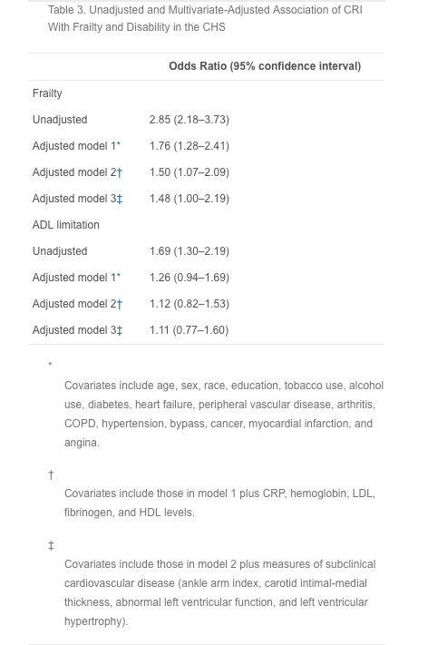

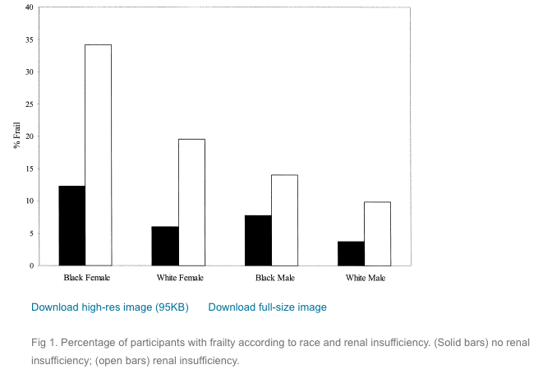
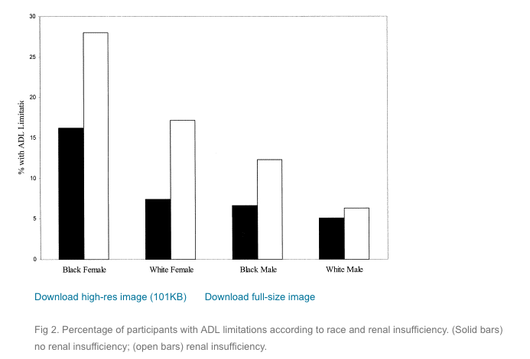

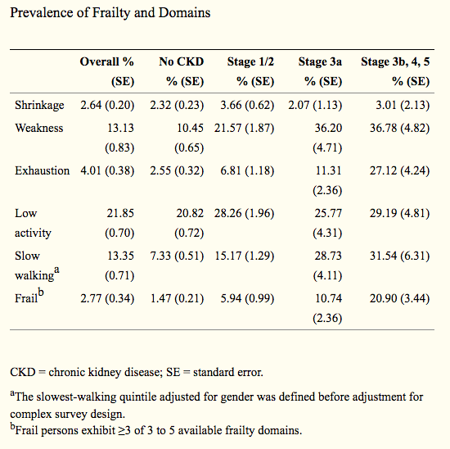
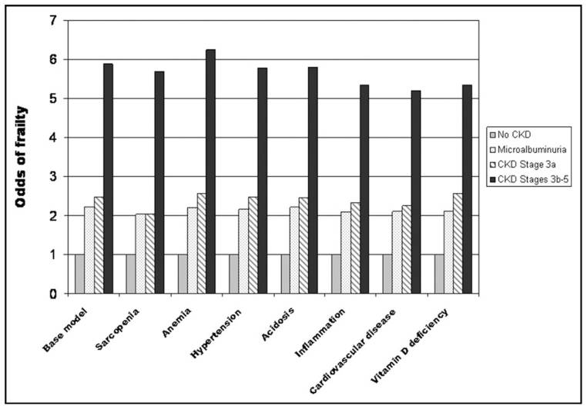
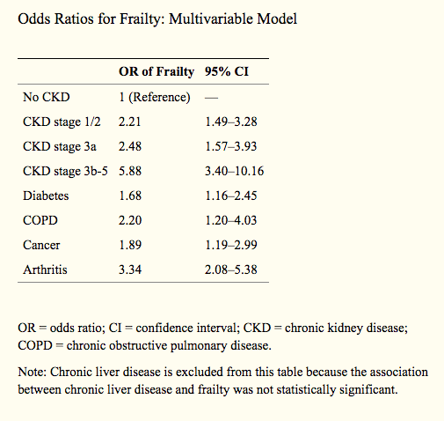
7 | US | 10256 | 1 VS 0 (≥ 3frailty as frail vs not frail) | Fried phenotype of frailty | association of frailty with chronic kidney disease. | normal eGFR vs 3a CKD vs3b to 5 CKD [OR] with frailty ; 2.3 (95% CI, 1.5–3.6), 1.8 (95% CI, 1.1–3.0) , 5.5 (95% CI, 3.4–9.0) |  | Wilhelm-Leen, E. R., et al. (2009). "Frailty and chronic kidney disease: the Third National Health and Nutrition Evaluation Survey." Am J Med 122(7): 664-671 e662. | Frailty and Chronic Kidney Disease: The Third National Health and Nutrition Evaluation Survey | 不錯
 |  |  |  |  | Mortality
 |  |  |  |  | survival

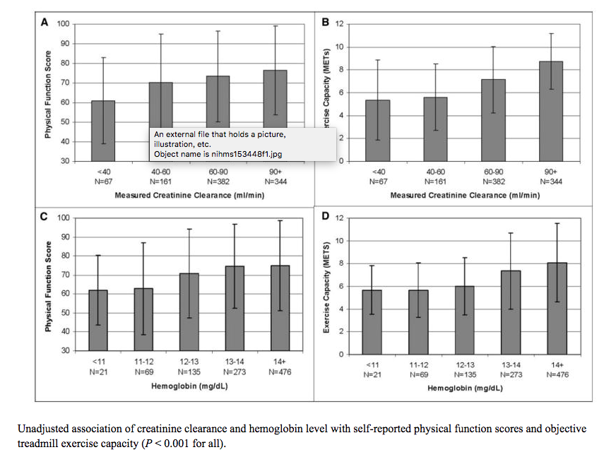
8 | US | 954 | lower physcial score more CKD patients | Seattle Angina Questionnaire score (SAQ) | CKD /anemia / frailty/ association (percentage) | CKD with normal physical self-reported function VS CKD with lower [%] 67.6 versus 74.9; P < 0.001 |  | Odden, M. C., et al. (2004). "Association of chronic kidney disease and anemia with physical capacity: the heart and soul study." J Am Soc Nephrol 15(11): 2908-2915. | Association of Chronic Kidney Disease and Anemia with Physical Capacity: The Heart and Soul Study | 不是特別有資訊的文章
 |  |  |  | creatinine clearance <60 ml/min | CKD SAQ score | CKD with normal exercise capacity VS CKD with lower [%]5.5versus 7.9; P < 0.001
 |  |  |  | hemoglobin level of <12g/dl |  | no CKD SAQ score [mean] 74.2 (CI, 72.7–75.8) vs CKD 69.4 (CI, 66.6–72.1); p <0.001

9 | US | 357 | IADL and BADL score with CKD | instrumental activities of daily living | BADL | CKD VS no CKD with IADL decline [OR] 1.83 (1.06–3.17, p =.030) |  | Bowling, C. B., et al. (2011). "Impact of chronic kidney disease on activities of daily living in community-dwelling older adults." J Gerontol A Biol Sci Med Sci 66(6): 689-694. | Impact of Chronic Kidney Disease on Activities of Daily Living in Community-Dwelling Older Adults
 |  |  |  | basic activities of daily living | IADL | CKD VS no CKD with BADL decline [OR] 2.46 (1.19–5.12, p = .016),
 |  |  |  | eGFR < 60 | instrumental activities of daily living IADL decline | CKD Stage ≥3B VS no CKD IADL decline [OR] 3.12, 95% CI, 1.38–7.06, p = .006
 |  |  |  |  | basic activities of daily living BADL decline | CKD Stage ≥3B VS no CKD BADL decline [OR] 3.78, 95% CI, 1.36–9.77, p = .006
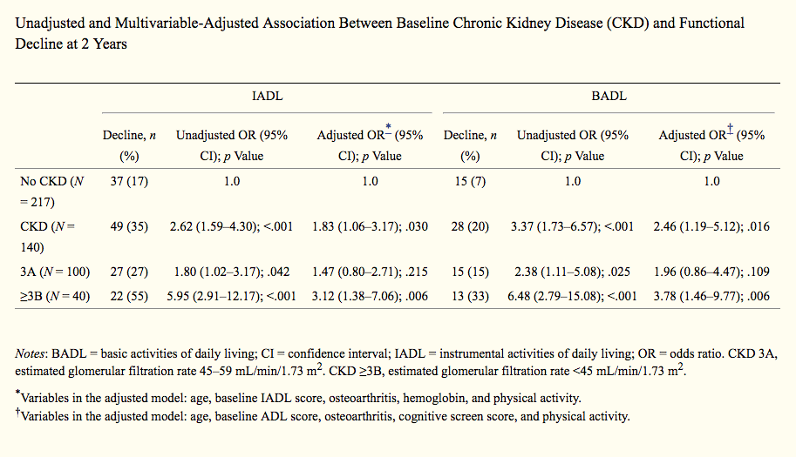
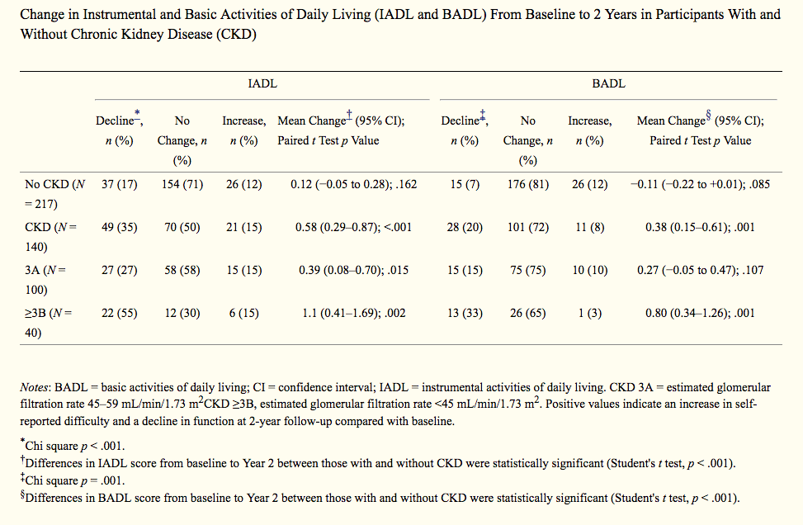

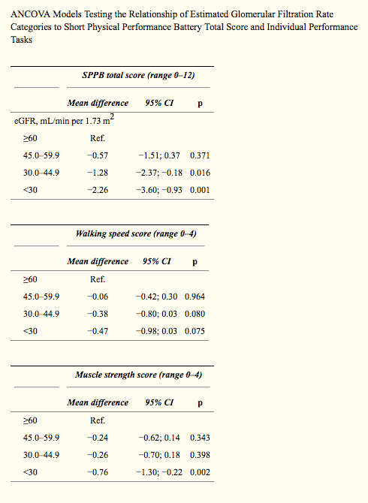
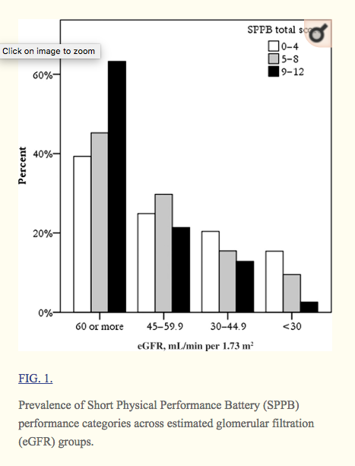
10 | Italy | 486 | SPPB 0–12 | SPPB | SPPB | eGFR per 10 mL/min 1.73 m2 associated SPPB score 0.49; (B=0.49, CI=0.01～0.10,p = 0.003) [balance (B=0.30; 95% CI=0.10–0.49; p=0.005) muscle strength (B=0.06; 95% CI=0.01–0.10; p=0.043), but not with walking speed (B=−0.04; 95% CI=−0.09–0.11; p=0.107)] | SPPB total score<5 VS SPPB 5~8 and SPPB9~12 ;older, lower serum albumin and MMSE | Lattanzio, F., et al. (2012). "Relationship between renal function and physical performance in elderly hospitalized patients." Rejuvenation Res 15(6): 545-552. | Relationship Between Renal Function and Physical Performance in Elderly Hospitalized Patients | 不錯
 |  |  |  | CKD (eGFR <60) | MMSE | reduced renal function is associated with poorer physical performance in older hospitalized patients | SPPB total score<5 VS SPPB 5~8 and SPPB9~12 ; higher overall co-morbidity prevalence of stroke, cancer, and anemia
 |  |  |  |  | hospitalized patients
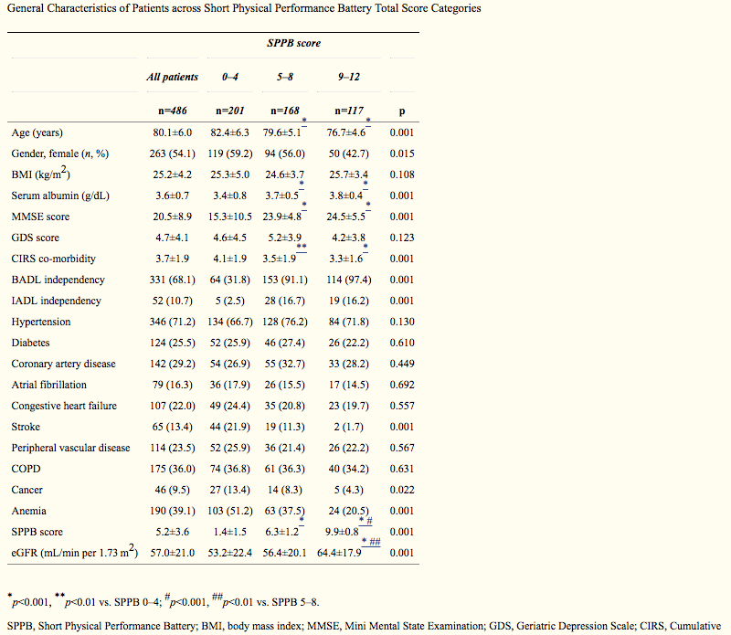
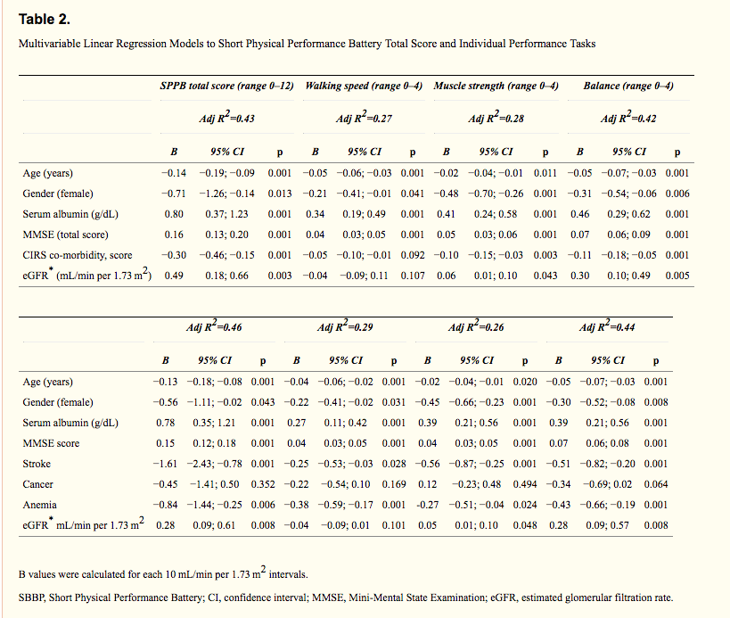

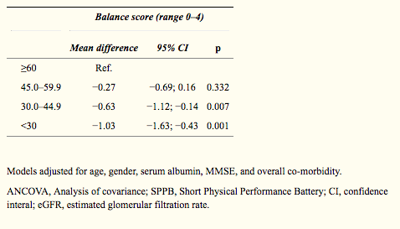

11 | US | 26 | 1 vs 0 | kidney disease Stage IV or V | baseline physical function | SPPB score [mean, SD] Renal Failure =8.35 (2.76) VS Heart Failure =9.71 (1.61) VS COPD = 10.38 (1.46) VS High CV risk = 10.34 (1.51) |  | Hartmann, E. L., et al. (2009). "Physical function in older candidates for renal transplantation: an impaired population." Clin J Am Soc Nephrol 4(3): 588-594. | Physical Function in Older Candidates for Renal Transplantation: An Impaired Population | OK
 |  |  |  | SPPB 0–12 | renal transplant candidate | Whole body lean mass by DEXA (kg) [mean, (SD)] Renal Failure = 56.67 (13.00) VS Heart Failure = 46.90 (9.37) VS COPD = 53.08 (12.56) VS High CV risk = 56.10 (11.85)
 |  |  |  | DXA | SPPB of Renal Failure/Heart Failure/COPD/high risk for cardiovascular disease | Older people referred for renal transplantation had poorer physical performance than older adults with other common chronic diseases and may be at high risk for disability while awaiting transplantation.
 |  |  |  |  |  | CKD impairedphysical function, including lower Short Physical Performance Battery, slower gait speed, and lower grip strength.

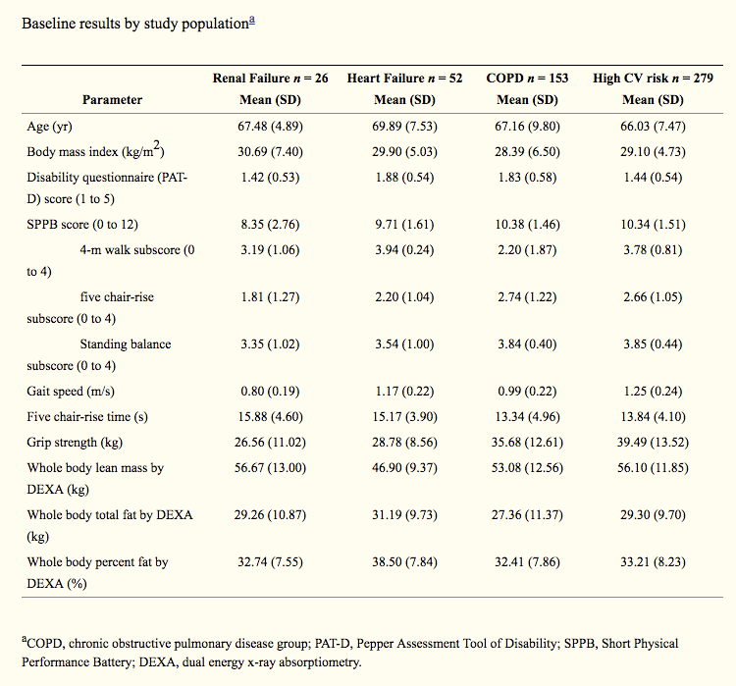
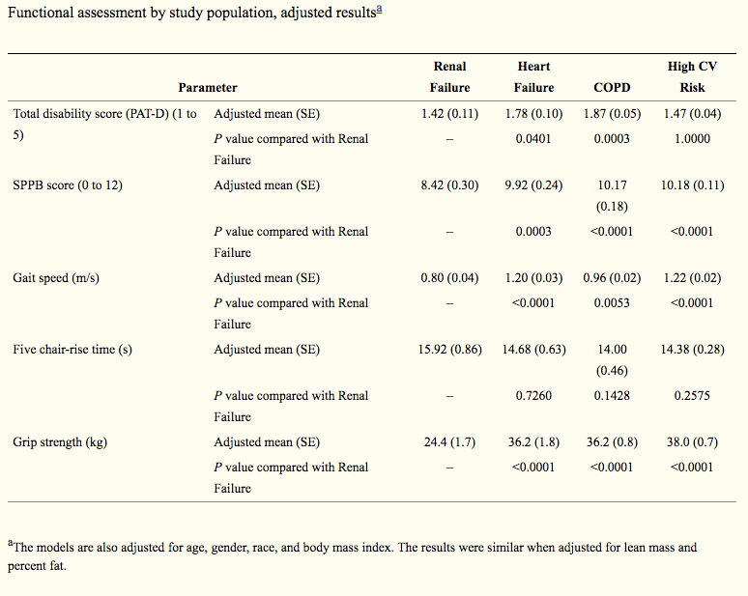
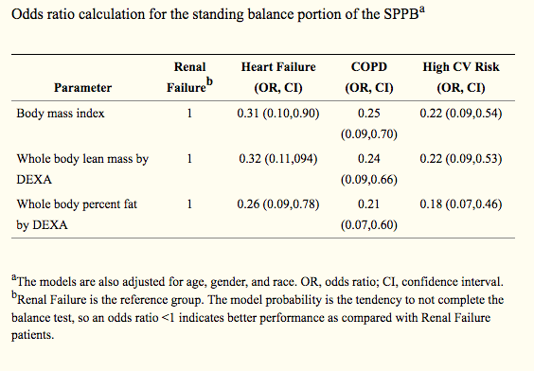

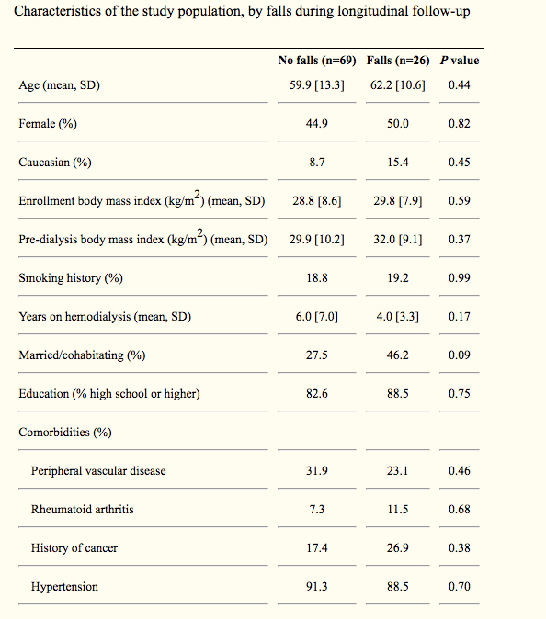
12 | US | 95 | non-frail(0) vs intermediate frailty(1~2)vs ≥ frailty(3) | Fried phenotype of frailty | fall (longitudinal follow-up) | Frailty VS non-frail [predicted/ poisson regression] falls a 3.09-fold (95% CI: 1.38-6.90, P=0.006) | no differ between frailty and falls for younger and older adults (P=0.57) | McAdams-DeMarco, M. A., et al. (2013). "Frailty and falls among adult patients undergoing chronic hemodialysis: a prospective cohort study." BMC Nephrol 14: 224. | Frailty and falls among adult patients undergoing chronic hemodialysis: a prospective cohort study
 |  |  |  | adults undergoing hemodialysis |  | old VS young of falls [no differ ] P=0.57 | CKD with [anemia] frailty score 2.64, 95% CI: 1.17-5.98 CKD with [arrhythmias] frailty score 3.04, 95% CI: 1.36-6.80 CKD with [low cognitive function] frailty score 3.02, 95% CI: 1.35-6.78
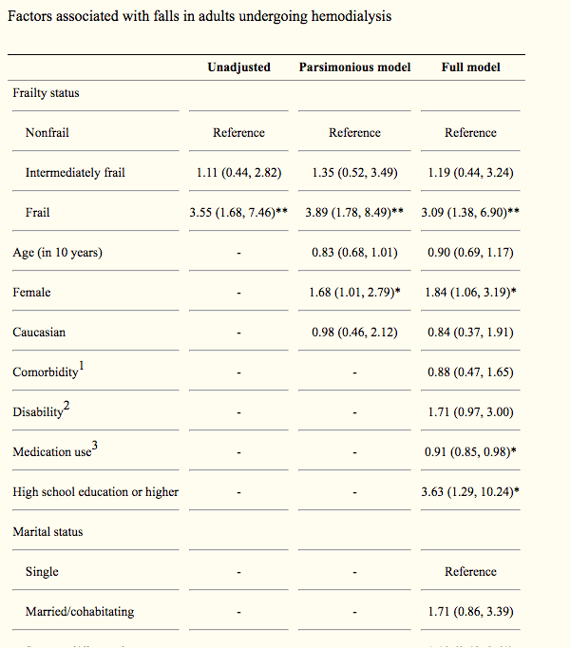
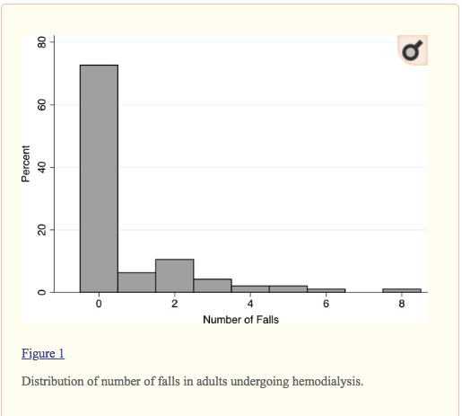

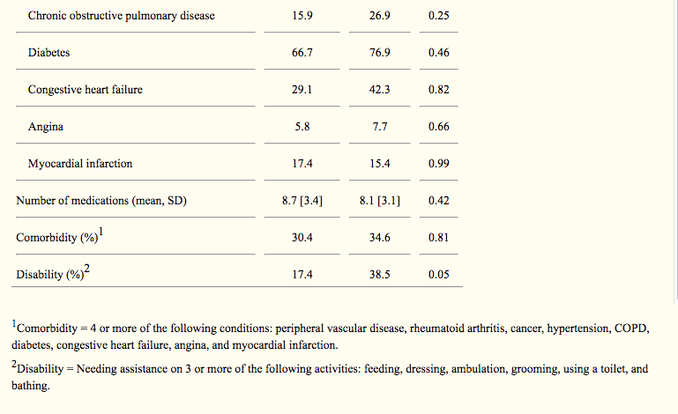

13 | Brail | 61 | 1 VS 0 (≥ 3frailty as frail vs not frail) | Stages 3–5 CKD (excluded severe neurological pathologies, gout, amputations, Parkinson’s disease, chronic obstructive pulmonary disease, neoplasms, human immunodeficiency virus, and severe physical sequelae caused by stroke or deep vein thrombosis) | quality of life (QOL) | Correlation between frailty and quality of life domain in Brazilian patients with pre-dialysis chronic kidney disease | Age/ [mean] Non- Frail 57.3 ± 11.4，Frail 64.9 ± 10.3， p= 0.009 | Mansur, H. N., et al. (2014). "Frailty and quality of life: a cross-sectional study of Brazilian patients with pre-dialysis chronic kidney disease." Health Qual Life Outcomes 12: 27. | Frailty and quality of life: a cross-sectional study of Brazilian patients with pre-dialysis chronic kidney disease
 |  |  |  | muscle weakness SF-36 physical function score < 75 | SF-36 | Functional capacity， R = -0.82 P = 0.0001 | Female/ [% ]Non- Frail 10，Frail 15， p= 0.02
 |  |  |  | exhaustion SF-36 vitality score< 55 |  | Physical aspects， R = -0.41 P= 0.001 | SF36-Physical functioning[mean] / Non- Frail 84 ± 15.，46 ± 19， p= 0.0001
 |  |  |  | physical inactivity ( “never” or “almost never” about the frequency of physical activity |  | Vitality， R = -0.57 P=0.0001 | SF36 -Bodily pain[mean]/ Non- Frail 76.5 ± 26.7.，58.4 ± 35.3， p= 0.03
 |  |  |  | weight loss >5 KG in a year |  | Mental health， R = - 0.36 P=0.005 | SF36- General health[mean]/ Non- Frail 62 ± 23.8，48.9 ± 25.6， p= 0.05
 |  |  |  | musle for 2 point |  |  | SF-36-Vitality[mean]/ Non- Frail 77.4 ± 21.6，58.8 ± 21.5，p= 0.002
 |  |  |  | others for 1 point |  |  | SF36-Mental health [mean]/ Non- Frail 80.8 ± 21.3，69.5 ± 22.5，p= 0.05
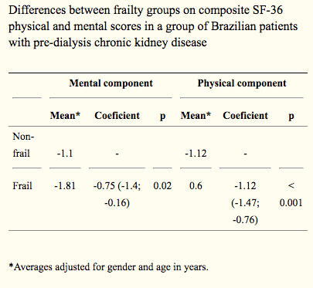
 |  |  |  | total >= 3 as frailty
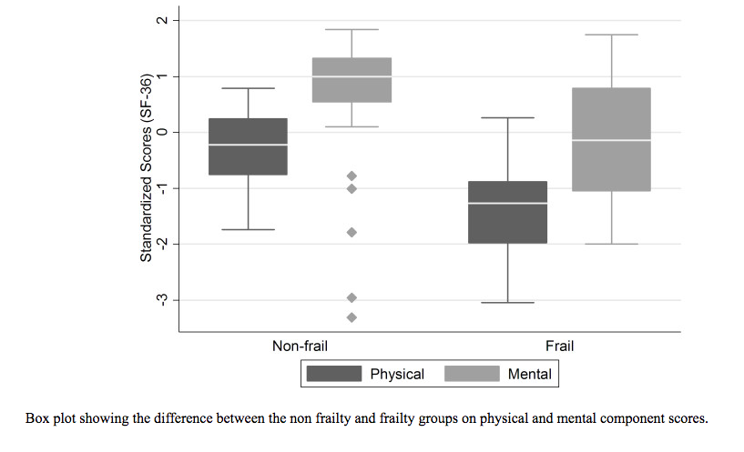

14 | Korea | 168 | 1 VS 0 (≥ 3frailty as frail vs not frail) | Stages 2–4 CKD (excluded severe neurological pathologies, gout, amputations, Parkinson’s disease, chronic obstructive pulmonary disease, neoplasms, human immunodeficiency virus, and severe physical sequelae caused by stroke or deep vein thrombosis) | quality of life (QOL) | Frailty VS non- frail- age [mean,SD]; 69.5 (13.9) , 63.7 (13.5) p= 0.01 |  | Lee, S. J., et al. (2015). "Influence of frailty on health-related quality of life in pre-dialysis patients with chronic kidney disease in Korea: a cross-sectional study." Health Qual Life Outcomes 13: 70. | Influence of frailty on health-related quality of life in pre-dialysis patients with chronic kidney disease in Korea: a cross-sectional study
 |  |  |  | muscle weakness SF-36 physical function score < 75 | SF-36 | Health related quality of life (HRQOL ) physical component summary (PCS) [mean, SD] Non- Frail 50.6 (5.5) VS Frail 38.9 (9.6)， p<0.01 mental component summary (MCS) Non- Frail 54.2 (7.2) VS Frail 44.1(13.6)， p< 0.01 "Hierarchical regression of the influence of frailty on PCS score R suare was improved 0.290 when add Frailty variable" "Hierarchical regression of the influence of frailty on MCS score R suare was improved 0.213 when add Frailty variable"
 |  |  |  | exhaustion SF-36 vitality score< 55
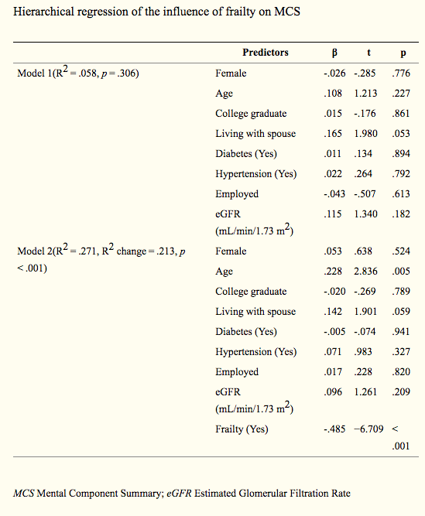
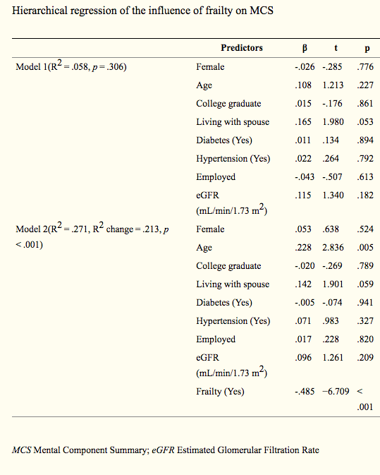
 |  |  |  | physical inactivity ( “never” or “almost never” about the frequency of physical activity
 |  |  |  | weight loss >5 KG in a year
 |  |  |  | musle for 2 point
 |  |  |  | others for 1 point
 |  |  |  | total >= 3 as frailty

15 | US | 742 | non-frail(0) vs intermediate frailty(1~2)vs ≥ frailty(3) | Fried phenotype of frailty | ADL | Frail VS no-frail -ADL [OR] 11.35 ; 5.50–23.41; P < 0.001 |  | Kutner, N. G., et al. (2014). "Correlates of ADL difficulty in a large hemodialysis cohort." Hemodial Int 18(1): 70-77. | Correlates of ADL difficulty in a large hemodialysis cohort
 |  |  |  | HD >= 3 months |  | Frail VS pre-frail -ADL [OR] 1.93; 1.01–3.68; P = 0.046
 |  |  |  |  |  | [Balance]symptom ADL difficulty [%] whites VS black 45.7% , 22.4%, p value = 0.009

16 | US | 146 | non-frail(0) vs intermediate frailty(1~2)vs ≥ frailty(3) | Fried phenotype of frailty | Mortality | Frailty VS non-frail [HR] for Hospitalization 1.43 (CI 1.00- 2.03) | Diabetes- Non Frail 44.7，Intermediately Frail 70.2 , Frail , 75.4， p= 0.01 (popultaion) | McAdams-DeMarco, M. A., et al. (2013). "Frailty as a novel predictor of mortality and hospitalization in individuals of all ages undergoing hemodialysis." J Am Geriatr Soc 61(6): 896-901. | Frailty as a Novel Predictor of Mortality and Hospitalization in Hemodialysis Patients of All Ages
 |  |  |  | hemodialysis | frailty >> predictor |  | Age- Non Frail 55.1 ± 13.4，Intermediately Frail 62.1 ± 13.7 , Frail , 62.9 ± 12.9， p= 0.01 (popultaion)
 |  |  |  |  |  |  | 50.0% age≥65 frail , 35.4% <65 intermediately frail, 29.3% non- frail , compare 7% of Cardiovascular patient as frail
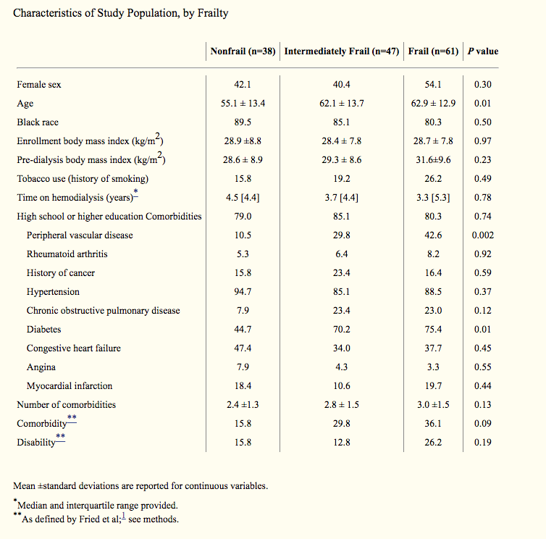

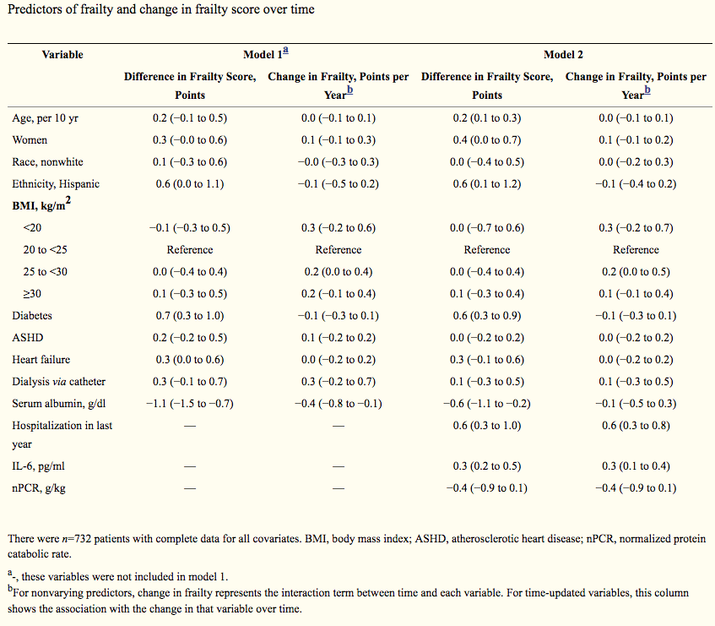
17 | US | 762 | Fried phenotype of frailty 0~5 | Fried phenotype of frailty | 12 and 24 months longitudinal frailty score changed | frailty score +0.2 per year( 0.1 to 0.3)，Hispanic ethnicity +0.6 (0.0 to 1.1)+ score per years |  | Johansen, K. L., et al. (2017). "Factors Associated with Frailty and Its Trajectory among Patients on Hemodialysis." Clin J Am Soc Nephrol 12(7): 1100-1108. | Factors Associated with Frailty and Its Trajectory among Patients on Hemodialysis
 |  |  | baseline,12 months 24 months | hemodialysis |  | diabetes + 0.7score per year ( 0.3 to 1.0))
 |  |  |  |  |  | with each 1g/dl increase in albumin associated with a 0.4 point reduction in frailty score
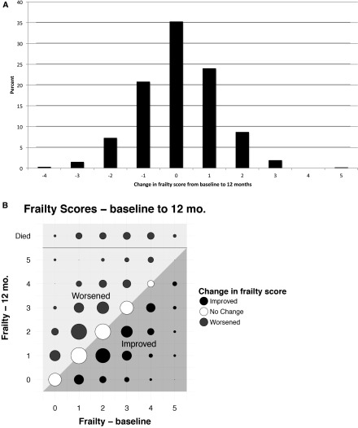
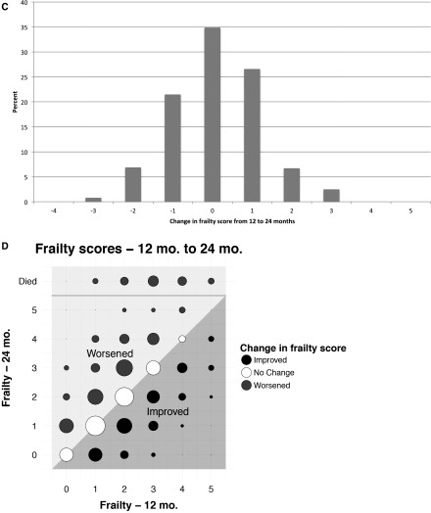
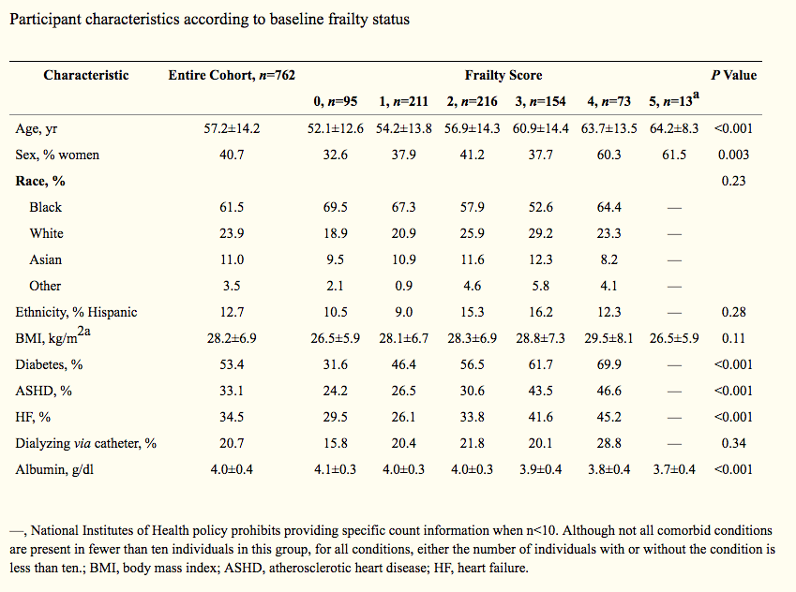

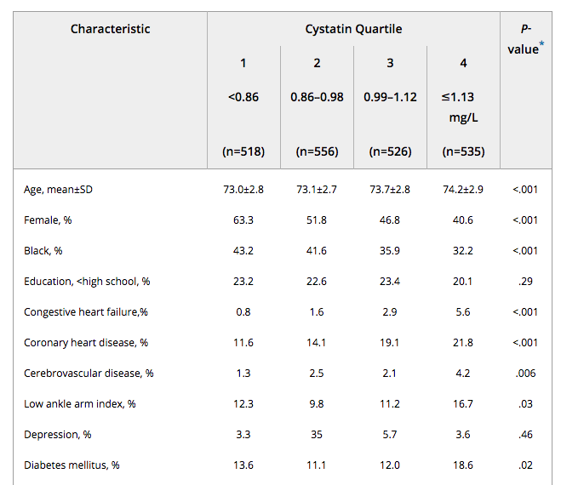
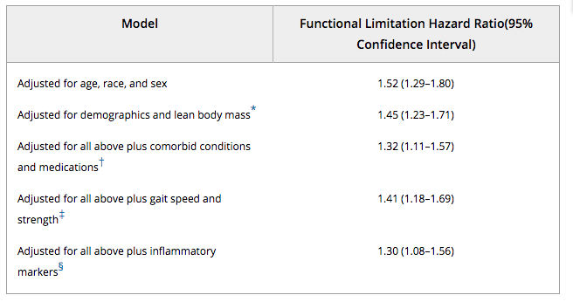
18 | US | 2135 | Cystatin Quartile (< 0.86 vs 0.86~0.98 vs 0.99~1.12 vs >= 1.13) | DXA (body mass) | Functional limitation | Cystatin C and functional limitation HR < 0.86 mg/L VS ≥1.13 mg/L ,hazard ratio [HR] with frailty1.70, 95% confidence interval (CI)=1.40–2.07 |  | Fried, L. F., et al. (2006). "Chronic kidney disease and functional limitation in older people: health, aging and body composition study." J Am Geriatr Soc 54(5): 750-756. | Chronic Kidney Disease and Functional Limitation in Older People: Health, Aging and Body Composition Study
 |  |  | Functional limitation defined *difficulty in walking one-quarter of a mile * climbing 10 steps on two consecutive reports 6 months apart (in the same function) | serum creatinine

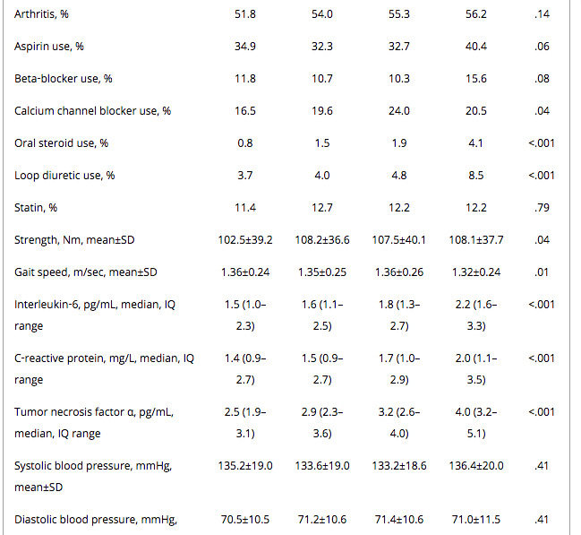

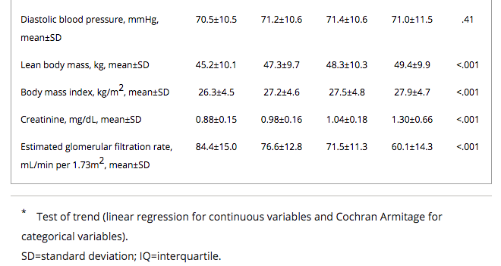

19 | Canada | 217 | 1 vs 0 | SPPB ≥10 normal physical function ,SPPB < 10 reduced physical function [(frailty)(total 0~12)] | SPPB | Factors associated with SPPB Score <10 Age (years) [OR]1.09, CI 1.05-1.12 , p <0.0001 Gender (Female) [OR] 3.50 , CI 1.69–7.22 , p =0.007 Diabetes (Type I or II) [OR] 6.95, CI 3.18–15.20 , p <0.0001 | Laboratory Values Creatinine - normal 273.5 (202–404)，reduced 229 (186–309) P = 0.0273 Hemoglobin (g/L)- normal 118 (110–126)，reduced 113 (105–122) P = 0.0107 Hemoglobin A1c (%) - normal 118 (110–126)，reduced 113 (105–122) P = 0.0107 | Walker, S. R., et al. (2015). "Frailty and physical function in chronic kidney disease: the CanFIT study." Can J Kidney Health Dis 2: 32. | Frailty and Physical Function in Chronic Kidney Disease: The CanFIT Study | 不錯，真的
 |  |  |  | CKD stage 4 and 5 (eGFR <30 ml/min/1.73 m2, no dialysis) | adverse outcomes | Comorbidities [%] Visual / Hearing Impairment- normal 32 (33.7 %) VS reduced 69 (56.6 %) P = 0.0008 previous MI -normal 5 (5.3 %) VS reduced 24 (20.5 %)P= 0.0013 Congestive Heart Failure- normal 5 (5.3 %) VS reduced 24 (20.5 %)P= 0.0005 previous MI normal 12 (12.6 %) VS reduced 39 (33.3 %) P= 0.0005 Visual / Hearing Impairment- normal 32 (33.7 %) VS reduced 69 (56.6 %) P = 0.0008 previous MI -normal 5 (5.3 %) VS reduced 24 (20.5 %)P= 0.0013 Congestive Heart Failure- normal 5 (5.3 %) VS reduced 24 (20.5 %)P= 0.0005 previous MI normal 12 (12.6 %) VS reduced 39 (33.3 %) P= 0.0005

20 | Korea | 1658 | non-frail(0) vs pre-fail(1~2)vs ≥ frailty(3) | no hospitalization > 3 months (except vascular access problem in MHD) | HOSPITALIZATION | hospitalized / non- frail 24.4% VS for pre-frail 33.0% VS frail 48.4% (P<0.001, 86 weeks of follow-up, 608 patient hospitalized, ) | Multivariate logistic regression analysis showed that female sex, unemployed status, older age, higher body mass index, lower education level, lower TIBC and comorbid conditions were independently associated with frailty (此文章沒有全文) |  | FRAILTY AS AN INDEPENDENT PREDICTOR FOR HOSPITALIZATION-FREE SURVIVAL EVEN IN RELATIVELY HEALTHY PATIENTS RECEIVING CHRONIC DIALYSIS
 |  |  |  | 1. weight loss >= 4.5 kg or 5 % of previous weight in last year |  | hospitalizedpre-frail 1.4 times (1.07 to 1.78) VS frail 2.4 times to be hospitalized (univariate analysis)
 |  |  |  | 2. physical inactivity |  | Frail vs non-frail [HR] hospitalization 1.80 (1.4-2.3)
 |  |  |  | 3. RAND-36 physical function (PF) scale <75 and vitality scale <55 (weakness/slowness and exhaustion)
 |  |  |  | Low PF scale score 2 point
 |  |  |  | other as 1 point
 |  |  |  | 0 - non-frail
 |  |  |  | 1-2 pre-frail
 |  |  |  | >= 3 frail
 |  |  |  |  |  | ㄉ
21 | Canada | 385 | 1 vs 0 | Montreal Cognitive Assessment MOcA <= 24 (Cognitive impairment )vs MOcA> 25 (normal) | Montreal Cognitive Assessment (MoCA) | Cognitive impairment VS non-cognitive impairment SPPB score [medium, (interquartile range)] ; 9(6-10) VS 10 (8-12) p<0.001 | Age [medium, (interquartile range)] - MoCA <= 24 , 72(61-80, SPPB =9)， MoCA > 25 , 64 (54-73, SPPB =10) p<0.001 | Foster, R., et al. (2016). "Cognitive Impairment in Advanced Chronic Kidney Disease: The Canadian Frailty Observation and Interventions Trial." Am J Nephrol 44(6): 473-480. | Cognitive Impairment in Advanced Chronic Kidney Disease: The Canadian Frailty Observation and Interventions Trial
 |  |  |  | CKD stages G4-G5 (non-dialysis) |  |  | Diastolic [medium, (interquartile range)] - MoCA <= 24 , 73(66-80) ， MoCA > 25 , 77 (69-85) p= 0.003
 |  |  |  | SPPB ≥10 normal physical function ,SPPB < 10 , reduced physical function (0~12) |  |  | AST [medium, (interquartile range)]- MoCA <= 24 , 17(14-21) ， MoCA > 25 , 19 (15-24) p= 0.02
 |  |  |  |  |  |  | ALT [medium, (interquartile range)]- MoCA <= 24 , 14(11-19) ， MoCA > 25 , 18 (11-24) p= 0.002
 |  |  |  |  |  |  | Hemoglobin- MoCA [medium, (interquartile range)] <= 24 , 114(106-123) ， MoCA > 25 , 118 (106-27) p= 0.04
 |  |  |  |  |  |  | Pulse pressure [medium, (interquartile range)]- MoCA <= 24 , 65.6(54.0-76.0) ， MoCA > 25 , 60.0 (49.0~73.0) p= 0.01
 |  |  |  |  |  |  | peripheral vascular disease[n,(%)]- MoCA <= 24 , 32(15.4) ， MoCA > 25 , 10 (7.1) p= 0.02
 |  |  |  |  |  |  | CHF-[n,(%)] MoCA <= 24 , 28(13.5) ， MoCA > 25 , 9 (6.4) p= 0.04
 |  |  |  |  |  |  | FALL in 12 months-[n,(%)] MoCA <= 24 , 75(32.2) ， MoCA > 25 , 32 (21.9) p= 0.04
 |  |  |  |  |  |  | Stroke-[n,(%)] MoCA <= 24 , 27(13.0) ， MoCA > 25 , 4 (2.9) p= 0.001

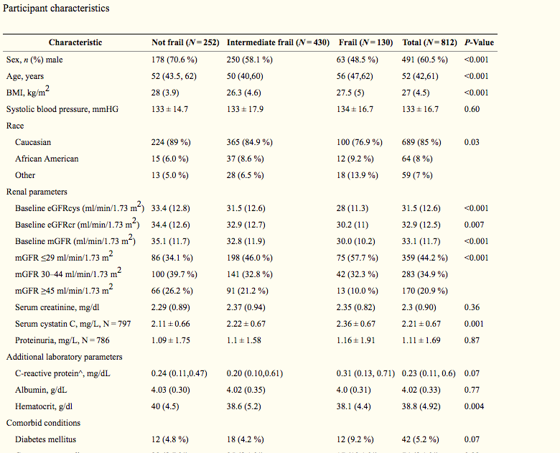
22 | US | 812 | non-frail(0) vs intermediate frailty(1~2)vs ≥ frailty(3) | adjust Fried phenotype of frailty(16 % prevalence, N = 130) | mortality | Higher GFR VS based on mGFR [OR] 0.71, 95 % CI 0.60-0.86 per 10 ml/min/1.73 m |  | Delgado, C., et al. (2015). "Association of Frailty based on self-reported physical function with directly measured kidney function and mortality." BMC Nephrol 16: 203. | Association of Frailty based on self-reported physical function with directly measured kidney function and mortality
重複了 |  |  |  | exhaustion- lack of pep and energy or Tiring easily, weakness for 1 point , if 2> MDRD quality of wellbeing measure ，if scores in lowest quartile from normative data > scores 2 point more |  | Higher GFR VS based on eGFRcr [OR] 0.80, 95 % CI 0.67-0.94 per 10 ml/min/1.73 m
 |  |  |  | Activity convert to total kilocalories (kcal) of activity per week，if kcal in lowest quartile from normative data > scores 1 point |  | Higher GFR VS based oneGFRcys [OR] 0.75, 95 % CI 0.62-0.90 per 10 ml/min/1.73 m
 |  |  |  | loss 5 % of body wiight - 1 point
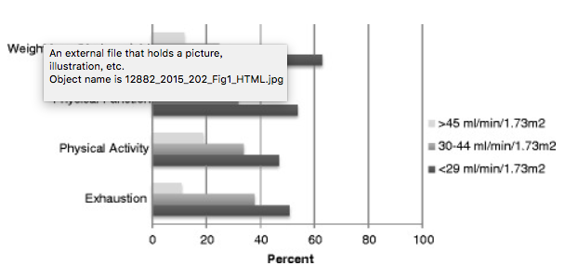
 |  |  |  | phenotype of frailty

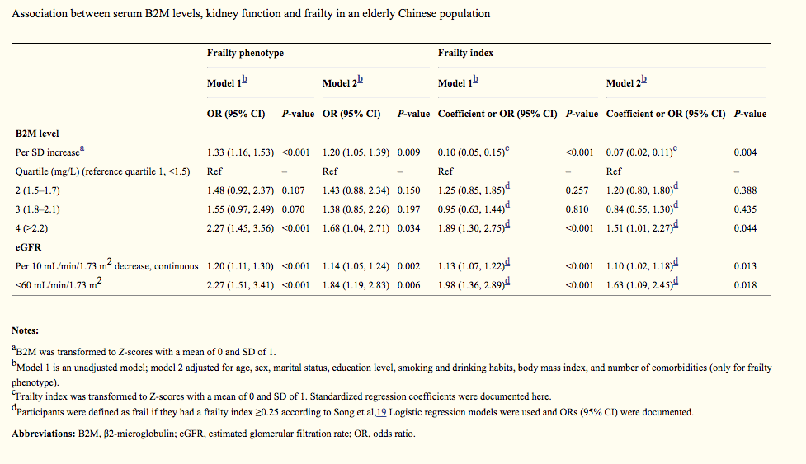
23 | China | 1663 | 1 vs 0 | Frailty phenotype | serum β2-microglobulin levels | lowest B2M quartile VS highest B2M quartile for frailty index (≥0.25). [OR ] 1.51 (95% CI: 1.01, 2.27; P=0.044) | mean of serum β2-microglobulin (B2M) 1.8mg/L and Frailty index 0.16 | Liu, Z. Y., et al. (2017). "Association between serum beta2-microglobulin levels and frailty in an elderly Chinese population: results from RuLAS." Clin Interv Aging 12: 1725-1729. | Association between serum β2-microglobulin levels and frailty in an elderly Chinese population: results from RuLAS.
 |  |  |  | Frailty index |  | lowest B2M quartile VS highest B2M quartile for railty phenotype (≥0.25). [OR ] 1.20 (95% CI: 1.05, 2.39; P=0.034)
 |  |  |  | >=0.25 as frailty |  | For a standard deviation increase in B2M, the adjusted [OR] for frailty phenotype was 1.20 (95% CI: 1.05, 1.39; P=0.009)
 |  |  |  | eGFG<60 mL/min/1.73 m2
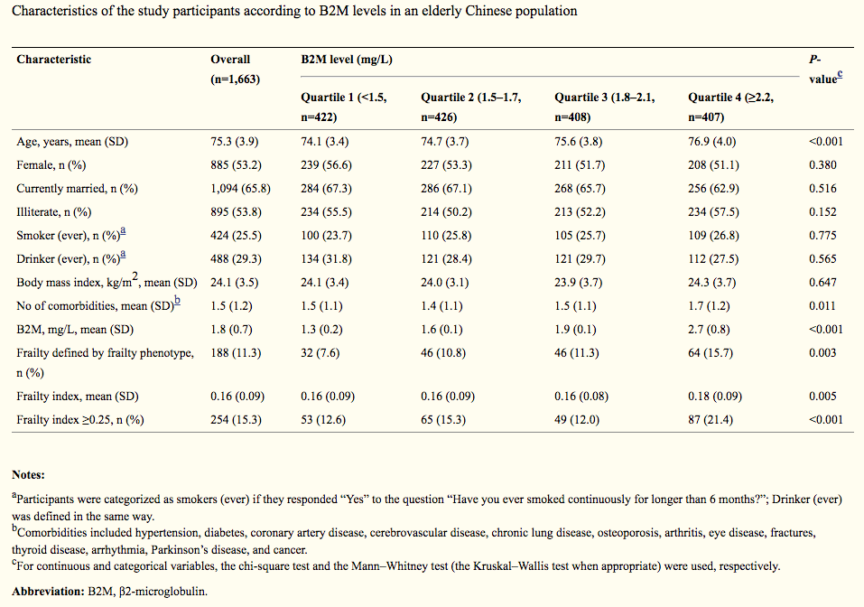

24 | US | 663 | non-frail(0) vs intermediate frailty(1~2)vs ≥ frailty(3) | KT recipients | Mortality | Frailty prevalence =19.5% Older recipients VS normal recipients [prevalence ratio] to frail 2.22, 95%CI:1.21-4.07 | Age - <35 Non Frail 59.1%，Intermediately Frail 27.3% , Frail 13.6%， (age, p= 0.002) 35-44 Non Frail 53.6%，Intermediately Frail 30.9% , Frail 15.5 % 45-54 Non Frail 60.3%，Intermediately Frail 24.7% , Frail 15.5% 55-64 Non Frail 42.2%，Intermediately Frail 33.3% , Frail 24.5% 65-74 Non Frail 38.1%，Intermediately Frail 38.1% , Frail 23.7% ≥75 Non Frail 27.3%，Intermediately Frail 50.0% , Frail 22.7% | McAdams-DeMarco, M. A., et al. (2017). "Individual Frailty Components and Mortality in Kidney Transplant Recipients." Transplantation 101(9): 2126-2132. | Individual Frailty Components and Mortality In Kidney Transplant Recipients | good
 |  |  |  | *Activities of Daily Living (ADL) *Instrumental Activities of Daily Living (IADL) *Centers for Epidemiologic Studies Depression (CESD) *Health-related Quality of Life (HRQOL) *Charlson Comorbidity Index | Individual Frailty Components | Frailty VS non-frail [PR] with IADL, 3.22; 95% CI, 1.72-6.06 | ADL disability YES- Non Frail 33.3%，Intermediately Frail 0.0%, Frail 66.7%，(ADL disability, p= 0.009) ADL disability No- Non Frail 49.3%，Intermediately Frail 32.1%, Frail 18.6%
 |  |  |  | *Frailty Fried phenotype non-frail 0-1 intermediate frailty 2 frailty ≥3 | ADL | Frailty VS non-frail [PR] with depressive symptoms , 11.31; 95% CI, 4.02-31.82 | IADL disability YES- Non Frail 31.7%，Intermediately Frail 30.5%, Frail 37.8%，(IADL disability, <0.001) IADL disability No- Non Frail 52.2%，Intermediately Frail 31.9%, Frail 15.9%
 |  |  |  |  | IADL | Frailty VS non-frail [PR] with low HRQOL , 3.71; 95% CI, 1.48-9.31 | CESD depression YES- Non Frail 14.9%，Intermediately Frail 31.9% , Frail 53.2%， (CESD depression, <0.001) CESD depression No- Non Frail 52.3%，Intermediately Frail 31.7%, Frail 16.0%
 |  |  |  |  | HRQOLHRQOL | KT recipients VS non-KT recipients [HR] with exhaustion and slowed walking speed ,2.43; 95% CI, 1.17-5.03 | Residual kidney function No- Non Frail 48.6%，Intermediately Frail 26.4% , Frail 25.0%，(Residual kidney function - p = 0.003) Residual kidney function Yes- Non Frail 50.3%，Intermediately Frail 35.7%, Frail 14.0%
 |  |  |  |  |  |  | History of Diabetes Yes- Non Frail 40.4%，Intermediately Frail 34.7% , Frail 24.9%， (History of Diabetes p = 0.01) History of Diabetes No- Non Frail 52.2%，Intermediately Frail 30.5%, Frail 17.3%
 |  |  |  |  |  |  | Self-rated HRQOL Excellent/Very good- Non Frail 61.9%，Intermediately Frail 29.5%, Frail 8.6%, (Self-rated HRQOL, P<0.001) good- Non Frail 49.8%，Intermediately Frail 31.7%, Frail 18.6% Fair/Poor- Non Frail 39.1%，Intermediately Frail 34.0%, Frail 26.9%

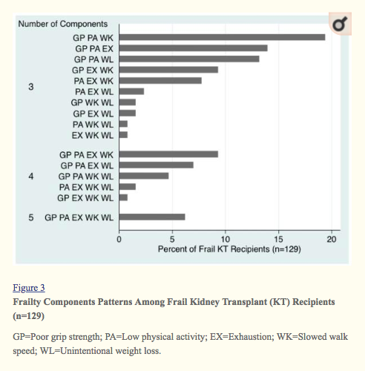
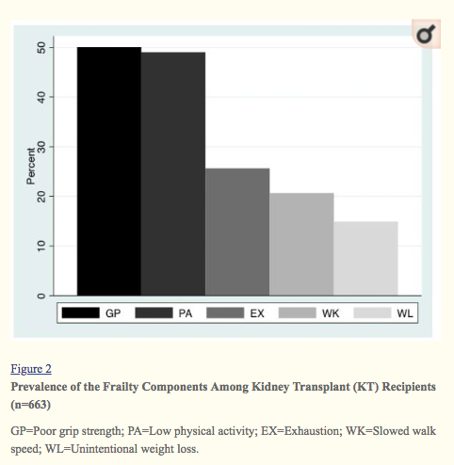

25 | Netherlands | 95 | non - frail vs pre-frail vs frailty | eGFR <20 ml/min/1.73 m2 | ESRD | Regression analysis of variables associated with frailty Female sex VS male [OR] 3.3 (1.3–8.0) , p = 0.009 Comorbidity Charlson index score ≥5 VS <4 [OR] 2.6 (1.0–6.6) .04 |  | Drost, D., et al. (2016). "High prevalence of frailty in end-stage renal disease." Int Urol Nephrol 48(8): 1357-1362. | High prevalence of frailty in end‑stage renal disease
 |  |  |  | Fried frailty index non - frail ≤0.08 pre-frail >0.08 and <0.25 frrailty ≥0.25 | frailty index/ frailty phenotype difference | frailty VS non- frail prevalence by frailty index 36.8% (age: 65.2 years, SD ± 12.0).
 |  |  |  |  |  | frailty≥65(age) VS < 65 prevalence ; 43.6% and 27.5 %
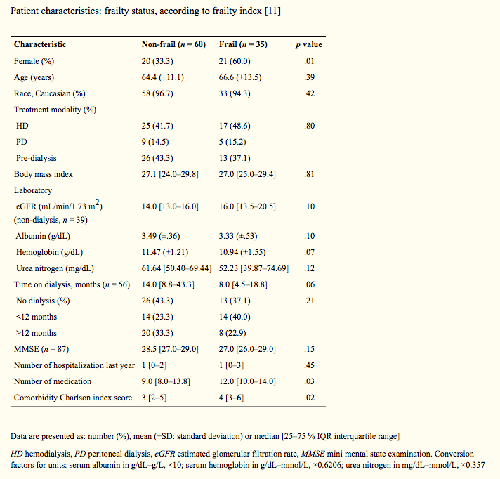
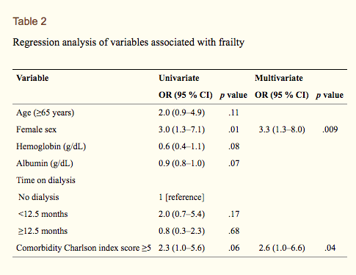

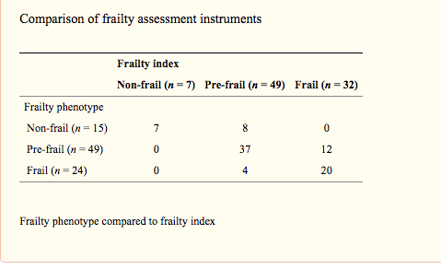

26.0 |  |  | The purpose of this systematic review was to explore the link between frailty, CKD and clinical outcomes. Further research must be conducted to understand the mechanisms of frailty in CKD and to confirm its association with clinical outcomes. | cross sectional and prospective studies in the general population and in the CKD population indexed in EMBASE, Pubmed, Web of Science, CINAHL, Cochrane and Ageline | 108 out of 5066 studies |  |  |  |  | 這篇找的5066篇論文裡面只有2篇有討論clinical outcomes跟frailty之關係
27 | Brazil (葡萄牙文) | 146 | 1 VS 0 | Fried phenotype of frailty(≥3 as frail) | CKD 2~5 | frailty prevalence of CT/HD/PD | 1 VS 0 [prevalence] CT 36%, HD 37.8%, PD 47.8* |  | Mansur HN, Damasceno Vde O, Bastos MG. [Prevalence of frailty in patients in chronic kidney disease on conservative treatment and on dialysis]. J Bras Nefrol. 2012;34(2):153-60. | [Prevalence of frailty in patients in chronic kidney disease on conservative treatment and on dialysis].
 |  |  |  |  |  | conservative treatment (CT) | frailty associated vitamin D (r = 0.16; p = 0.03), hemoglobin (r = -0.14; p = - 0.02) and intact parathyroid hormone (r = 0.16; p = 0.03). |  |  | http://www.scielo.br/scielo.php?script=sci_arttext&pid=S0101-28002012000200008&lng=en&nrm=iso&tlng=en


28 | Spain | 320 | 1 VS 0 | Fried phenotype of frailty(≥3 as frail) | stage V CKD who were on hemodialysis between September 2014 and September 2015 | ability to perform basic activities of daily living (APBADL) | 1 VS 0 APBADL [%] 33,33% VS 76,4% , <0,005 |  |  | Frail Patient in Hemodialysis: A New Challenge in Nephrology-Incidence in Our Area, Barcelonès Nord and Maresme.
 |  |  |  |  |  |  | 1 VS 0 Catheter [%] 61,6% VS 17,8% , <0,005 |  |  | https://www.ncbi.nlm.nih.gov/pmc/articles/PMC5637862/


29 | US | 324 | 1 VS 0.5 VS 0 (frail, intermediately frail, and nonfrail) | Fried frailty phenotype. | hemodialysis (within 6 months) | one years follower up frailty status change | frailty associated with Global cognitive function (3MS) : −2.4 points; 95% confidence interval [95% CI], −4.2 to −0.5; P=0.01 |  | McAdams-DeMarco MA, Tan J, Salter ML, Gross A, Meoni LA, Jaar BG, et al. Frailty and Cognitive Function in Incident Hemodialysis Patients. Clin J Am Soc Nephrol. 2015;10(12):2181-9. | Frailty and Cognitive Function in Incident Hemodialysis Patients
 |  |  |  |  |  |  | frailty associated Trail Making Tests A (TMTA) : 12.1 seconds; 95% CI, 4.7 to 19.4; P<0.001 |  |  | https://www.ncbi.nlm.nih.gov/pmc/articles/PMC4670760/
 |  |  |  |  |  |  | frailty associated Trail Making Tests A TMTA) : 33.2 seconds; 95% CI, 9.9 to 56.4; P=0.01;
 |  |  |  |  |  |  | fraillty worse 3MS at 1-year follow-up (−2.8 points; 95% CI, −5.4 to −0.2; P=0.03).





30 | US | 638 | 1 vs 0 |  | hemodialysis patient age >18 | body composition | Older age [OR] to frailty ,1.31 per 10 years; 95% confidence interval [95% CI], 1.14 to 1.50 |  | Johansen KL, Dalrymple LS, Delgado C, Kaysen GA, Kornak J, Grimes B, et al. Association between body composition and frailty among prevalent hemodialysis patients: a US Renal Data System special study. J Am Soc Nephrol. 2014;25(2):381-9. | Association between body composition and frailty among prevalent hemodialysis patients: a US Renal Data System special study.
 |  |  |  |  |  | intracellular water (ICW) | diabetes [OR] to frailty , 1.65; 95% CI, 1.13 to 2.40 |  |  | https://www.ncbi.nlm.nih.gov/pmc/articles/PMC3904567/#B23
 |  |  |  |  |  | bioelectrical impedance spectroscopy (BIS) | higher ECW [OR] to frailty , 1.33; 95% CI, 1.20 to 1.47
 |  |  |  |  |  |  | Higher ICW [OR] to frailty , (OR, 0.80 per kg; 95% CI, 0.73 to 0.87
 |  |  |  |  |  |  | BIS data did change the AUC for frailty (AUC=0.72; P<0.001)


 |  |  |  | ≥3 as frail

31 | Italy | 486 | SPPB 0–12 | SPPB | CKD in eGFR ≥60 ;45–59.9;30–44.9 and ≤30 | SPPB | eGFR per 10 mL/min 1.73 m2 associated SPPB score 0.49; (B=0.49, CI=0.01～0.10,p = 0.003) | SPPB total score<5 VS SPPB 5~8 and SPPB9~12 ;older, lower serum albumin and MMSE | Lattanzio, F., et al. (2012). "Relationship between renal function and physical performance in elderly hospitalized patients." Rejuvenation Res 15(6): 545-552. | Relationship Between Renal Function and Physical Performance in Elderly Hospitalized Patients
 |  |  |  |  |  |  | [balance (B=0.30; 95% CI=0.10–0.49; p=0.005)
 |  |  |  |  |  |  | muscle strength (B=0.06; 95% CI=0.01–0.10; p=0.043),
 |  |  |  |  |  |  | but not with walking speed (B=−0.04; 95% CI=−0.09–0.11; p=0.107)]
 |  |  |  | CKD (eGFR <60) |  | MMSE | reduced renal function is associated with poorer physical performance in older hospitalized patients | SPPB total score<5 VS SPPB 5~8 and SPPB9~12 ; higher overall co-morbidity prevalence of stroke, cancer, and anemia
 |  |  |  |  |  | hospitalized patients


32 | Spain | 56 | 1 VS 0.5 VS 0 (frail VS pre VS non) | Frailty phenotype 0 - non-frail 1-2 pre-frail >= 3 frail | CKD stage >=4 | therapeutic decision-making | 0 VS 0.5 VS 1 for intention to treat with dialysis;[%] 5.3%, 37.5%, 76.9% |  | Meulendijks FG, Hamaker ME, Boereboom FT, Kalf A, Vogtlander NP, van Munster BC. Groningen frailty indicator in older patients with end-stage renal disease. Ren Fail. 2015;37(9):1419-24. | Geriatric assessment for therapeutic decision-making regarding renal replacement in elderly patients with advanced chronic kidney disease.
 |  |  |  |  |  |  | 0 VS 0.5 VS 1 for conservative care ;[%] 94.7%, 62.5%, 23.1% |  |  | https://www.karger.com/?DOI=10.1159/000363624
 |  |  |  |  |  |  | pre-frailty [OR] to conservative care ; 0.043(0.008~0.219)

33 | US | 146 | 1 VS 0.5 VS 0 | Frailty phenotype 0 - non-frail 1-2 intermediately-frail >= 3 frail | hemodialysis patients | Perceived of frailty by nephrologists, nurse practitioners or patients | Older age [aOR] associated with greater likelihood of nephrologist-perceived frailty ; 1.36, 95%CI:1.11-1.68, P = 0.003 per 5-years older |  |  | Perceived frailty and measured frailty among adults undergoing hemodialysis: a cross-sectional analysis.
 |  |  |  |  |  |  | comorbidity [aOR] associated with greater likelihood of nephrologist-perceived frailty ; 1.49, 95%CI:1.27-1.75, P < 0.001 |  |  | https://www.ncbi.nlm.nih.gov/pubmed/25903561
 |  |  |  | 下列是其他不是那麼預後相關的

34 | Netherlands | 95 | non - frail vs pre-frail vs frailty | Fried frailty index non - frail ≤0.08 pre-frail >0.08 and <0.25 frrailty ≥0.25 | hemodialysis, peritoneal dialysise and pre-dialysis (pred-ialysisGFR <20 ml/min/1.73 m2) | prevalence of frailty of ESRD | Regression analysis of variables associated with frailty Female sex VS male [OR] 3.3 (1.3–8.0) , p = 0.009 Comorbidity Charlson index score ≥5 VS <4 [OR] 2.6 (1.0–6.6) .04 |  | Drost, D., et al. (2016). "High prevalence of frailty in end-stage renal disease." Int Urol Nephrol 48(8): 1357-1362. | High prevalence of frailty in end‑stage renal disease

 |  |  |  |  |  |  | frailty≥65(age) VS < 65 prevalence ; 43.6% and 27.5 %


35 | Netherlands | 1287 | 1 vs 0 | modification of Fried’s criteria for frailty Physical weakness and slowness = physical functioning scale of SF36 score <75 , 2 point Exhaustion was defined as =vitality scale of SF36score <55 , 1 point underweight =BMI <18.5 kg/m2, 1 point Physical inactivity= EQ-5D activities limitations, 1 point (≥ 3frailty as frail vs not frail) | n= 340, CKD 4 from PAtients REcords-study n= 1055, CKD5 from NECOSAD | Low Urinary Creatinine | frailty vs non-ftail [OR] with Low Urinary Creatinine 2.19; 95% confidence interval: 1.28-3.77 |  | Polinder-Bos HA, Nacak H, Dekker FW, Bakker SJL, Gaillard C, Gansevoort RT. Low Urinary Creatinine Excretion Is Associated With Self-Reported Frailty in Patients With Advanced Chronic Kidney Disease. Kidney Int Rep. 2017;2(4):676-85. | Low Urinary Creatinine Excretion Is Associated With Self-Reported Frailty in Patients With Advanced Chronic Kidney Disease.
 |  |  |  |  |  |  |  |  |  | https://www.ncbi.nlm.nih.gov/pmc/articles/PMC5678832/#bib31

36 | US | 812 | non-frail(0) vs intermediate frailty(1~2)vs ≥ frailty(3) | adjust Fried phenotype of frailty(16 % prevalence, N = 130) | 21 % mGFR > 45 ml/min/1.73 m2 35 % mGFR 30–44 ml/min/1.73 m2 44 % mGFR < 29 ml/min/1.73 m2 (MDRD) | association of frailty and eGFR and eGFRcys | Higher GFR VS based on mGFR [OR] 0.71, 95 % CI 0.60-0.86 per 10 ml/min/1.73 m |  | Delgado, C., et al. (2015). "Association of Frailty based on self-reported physical function with directly measured kidney function and mortality." BMC Nephrol 16: 203. | Association of Frailty based on self-reported physical function with directly measured kidney function and mortality
重複了 |  |  |  | exhaustion- lack of pep and energy or Tiring easily, weakness for 1 point , if 2 sydrome> MDRD quality of wellbeing measure ，if scores in lowest quartile from normative data > scores 2 point more |  |  | Higher GFR VS based on eGFRcr [OR] 0.80, 95 % CI 0.67-0.94 per 10 ml/min/1.73 m
 |  |  |  | Activity convert to total kilocalories (kcal) of activity per week，if kcal in lowest quartile from normative data > scores 1 point |  |  | Higher GFR VS based oneGFRcys [OR] 0.75, 95 % CI 0.62-0.90 per 10 ml/min/1.73 m
 |  |  |  | loss 5 % of body wiight - 1 point

37 | US | 357 | IADL and BADL score with CKD | non | eGFR < 60 mL/min/1.73 m2 | BADL | CKD VS no CKD with IADL decline [OR] 1.83 (1.06–3.17, p =.030) |  | Bowling, C. B., et al. (2011). "Impact of chronic kidney disease on activities of daily living in community-dwelling older adults." J Gerontol A Biol Sci Med Sci 66(6): 689-694. | Impact of Chronic Kidney Disease on Activities of Daily Living in Community-Dwelling Older Adults
 |  |  |  |  |  | IADL | CKD VS no CKD with BADL decline [OR] 2.46 (1.19–5.12, p = .016),
 |  |  |  |  |  | instrumental activities of daily living IADL decline | CKD Stage ≥3B VS no CKD IADL decline [OR] 3.12, 95% CI, 1.38–7.06, p = .006
 |  |  |  |  |  | basic activities of daily living BADL decline | CKD Stage ≥3B VS no CKD BADL decline [OR] 3.78, 95% CI, 1.36–9.77, p = .006

38 | US | 26 | 1 vs 0 | non | kidney disease Stage IV or V | baseline physical function | SPPB score [mean, SD] Renal Failure =8.35 (2.76) VS Heart Failure =9.71 (1.61) VS COPD = 10.38 (1.46) VS High CV risk = 10.34 (1.51) |  | Hartmann, E. L., et al. (2009). "Physical function in older candidates for renal transplantation: an impaired population." Clin J Am Soc Nephrol 4(3): 588-594. | Physical Function in Older Candidates for Renal Transplantation: An Impaired Population
 |  |  |  |  |  | renal transplant candidate | Whole body lean mass by DEXA (kg) [mean, (SD)] Renal Failure = 56.67 (13.00) VS Heart Failure = 46.90 (9.37) VS COPD = 53.08 (12.56) VS High CV risk = 56.10 (11.85)
 |  |  |  |  |  | SPPB of Renal Failure/Heart Failure/COPD/high risk for cardiovascular disease | Older people referred for renal transplantation had poorer physical performance than older adults with other common chronic diseases and may be at high risk for disability while awaiting transplantation.
 |  |  |  |  |  |  | CKD impairedphysical function, including lower Short Physical Performance Battery, slower gait speed, and lower grip strength.

39 | US | 812 | non-frail(0) vs intermediate frailty(1~2)vs ≥ frailty(3) | phenotype of frailty | stage 3 to 5 CKDand not on dialysis. | Association of Frailty and eGFR | Higher GFR VS based on mGFR [OR] 0.71, 95 % CI 0.60-0.86 per 10 ml/min/1.73 m |  | Delgado, C., et al. (2015). "Association of Frailty based on self-reported physical function with directly measured kidney function and mortality." BMC Nephrol 16: 203. | Association of Frailty based on self-reported physical function with directly measured kidney function and mortality
重複了 |  |  |  | exhaustion- lack of pep and energy or Tiring easily, weakness for 1 point , if 2> MDRD quality of wellbeing measure ，if scores in lowest quartile from normative data > scores 2 point more |  | mortality | Higher GFR VS based on eGFRcr [OR] 0.80, 95 % CI 0.67-0.94 per 10 ml/min/1.73 m
 |  |  |  | Activity convert to total kilocalories (kcal) of activity per week，if kcal in lowest quartile from normative data > scores 1 point |  |  | Higher GFR VS based oneGFRcys [OR] 0.75, 95 % CI 0.62-0.90 per 10 ml/min/1.73 m
 |  |  |  | loss 5 % of body wiight - 1 point

